Sheet1
ROWS | X | Y | Z | Dist. Between Cells in X | Delta From Avg. Row (Y) | Avg. Row (Y) | Columns | X | Y | Z | Dist. Between Cells in Y | Delta From Avg. Column (X) | Avg. Column (X)

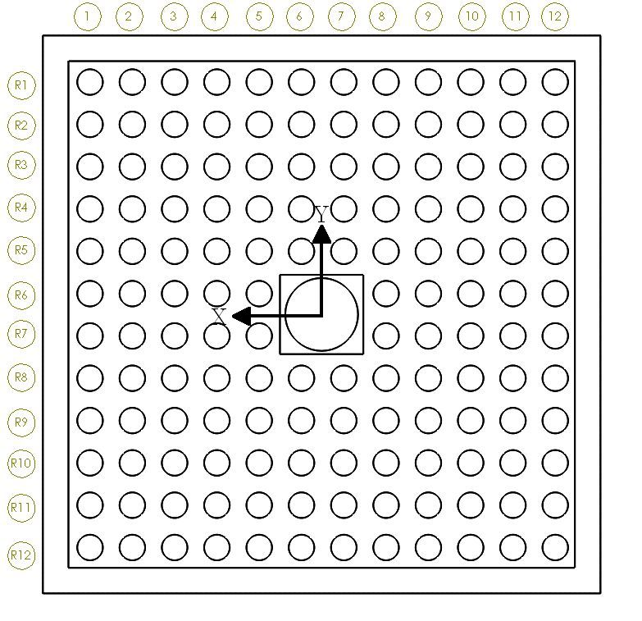
R1_1 | 115.05 | 115.34 | 0.33 |  | 0.01 | 115.33 | R1_1 | 115.05 | 115.34 | 0.33 |  | 0.11 | 114.94
R1_2 | 94.07 | 115.27 | 0.16 | 20.99 | -0.06 |  | R2_1 | 115.50 | 94.52 | 0.08 | 20.82 | 0.55
R1_3 | 73.41 | 115.39 | 0.20 | 20.66 | 0.06 |  | R3_1 | 115.03 | 73.47 | 0.16 | 21.05 | 0.08
R1_4 | 52.65 | 115.22 | 0.16 | 20.76 | -0.11 |  | R4_1 | 115.08 | 52.78 | 0.16 | 20.68 | 0.14
R1_5 | 31.33 | 115.09 | 0.18 | 21.32 | -0.25 |  | R5_1 | 115.18 | 31.75 | -0.03 | 21.04 | 0.23
R1_6 | 10.78 | 115.03 | 0.52 | 20.55 | -0.30 |  | R6_1 | 114.85 | 10.94 | 0.04 | 20.81 | -0.10
R1_7 | -10.32 | 115.17 | 0.27 | 21.09 | -0.17 |  | R7_1 | 115.02 | -10.00 | -0.03 | 20.93 | 0.08
R1_8 | -31.25 | 115.37 | 0.32 | 20.93 | 0.04 |  | R8_1 | 114.69 | -31.14 | -0.04 | 21.14 | -0.26
R1_9 | -52.19 | 115.66 | 0.34 | 20.94 | 0.33 |  | R9_1 | 114.96 | -52.19 | -0.02 | 21.06 | 0.02
R1_10 | -73.11 | 115.53 | 0.30 | 20.92 | 0.20 |  | R10_1 | 114.74 | -73.02 | -0.06 | 20.83 | -0.20
R1_11 | -93.71 | 115.34 | 0.31 | 20.60 | 0.01 |  | R11_1 | 114.75 | -93.73 | 0.32 | 20.70 | -0.19
R1_12 | -114.54 | 115.58 | 0.35 | 20.83 | 0.25 |  | R12_1 | 114.47 | -114.73 | -0.34 | 21.01 | -0.47
R2_1 | 115.50 | 94.52 | 0.08 |  | 0.10 | 94.42 | R1_2 | 94.07 | 115.27 | 0.16 |  | 0.10 | 93.97
R2_2 | 94.13 | 94.65 | -0.02 | 21.37 | 0.23 |  | R2_2 | 94.13 | 94.65 | -0.02 | 20.62 | 0.15
R2_3 | 73.31 | 94.50 | -0.21 | 20.81 | 0.08 |  | R3_2 | 94.32 | 73.48 | -0.06 | 21.16 | 0.35
R2_4 | 52.44 | 94.40 | -0.23 | 20.87 | -0.02 |  | R4_2 | 94.11 | 52.26 | 0.09 | 21.22 | 0.13
R2_5 | 31.98 | 94.25 | -0.33 | 20.46 | -0.17 |  | R5_2 | 94.33 | 31.53 | -0.09 | 20.74 | 0.35
R2_6 | 10.80 | 94.05 | -0.13 | 21.19 | -0.37 |  | R6_2 | 93.94 | 10.71 | -0.03 | 20.81 | -0.03
R2_7 | -9.88 | 94.01 | -0.15 | 20.68 | -0.41 |  | R7_2 | 93.73 | -10.40 | 0.03 | 21.11 | -0.25
R2_8 | -31.12 | 94.41 | -0.15 | 21.24 | -0.01 |  | R8_2 | 93.89 | -31.15 | -0.03 | 20.75 | -0.08
R2_9 | -52.36 | 94.46 | -0.06 | 21.24 | 0.04 |  | R9_2 | 93.94 | -52.15 | 0.00 | 21.01 | -0.04
R2_10 | -72.94 | 94.55 | 0.11 | 20.58 | 0.13 |  | R10_2 | 93.82 | -72.99 | -0.04 | 20.84 | -0.15
R2_11 | -93.78 | 94.50 | 0.31 | 20.84 | 0.08 |  | R11_2 | 93.80 | -93.97 | 0.31 | 20.97 | -0.18
R2_12 | -114.79 | 94.77 | 0.63 | 21.01 | 0.34 |  | R12_2 | 93.61 | -114.48 | -0.24 | 20.51 | -0.36
R3_1 | 115.03 | 73.47 | 0.16 |  | 0.07 | 73.40 | R1_3 | 73.41 | 115.39 | 0.20 |  | 0.22 | 73.18
R3_2 | 94.32 | 73.48 | -0.06 | 20.71 | 0.09 |  | R2_3 | 73.31 | 94.50 | -0.21 | 20.89 | 0.13
R3_3 | 73.37 | 73.38 | 0.00 | 20.95 | -0.02 |  | R3_3 | 73.37 | 73.38 | 0.00 | 21.12 | 0.18
R3_4 | 52.59 | 73.39 | -0.18 | 20.78 | -0.01 |  | R4_3 | 73.49 | 52.65 | 0.00 | 20.73 | 0.30
R3_5 | 31.64 | 73.26 | -0.24 | 20.95 | -0.14 |  | R5_3 | 73.36 | 31.77 | 0.09 | 20.88 | 0.18
R3_6 | 10.77 | 73.02 | -0.15 | 20.87 | -0.38 |  | R6_3 | 72.97 | 10.83 | 0.01 | 20.94 | -0.21
R3_7 | -10.38 | 72.88 | -0.16 | 21.15 | -0.51 |  | R7_3 | 73.09 | -10.07 | -0.02 | 20.89 | -0.10
R3_8 | -30.81 | 73.45 | -0.21 | 20.43 | 0.05 |  | R8_3 | 73.01 | -31.14 | 0.20 | 21.07 | -0.17
R3_9 | -51.89 | 73.82 | -0.04 | 21.08 | 0.42 |  | R9_3 | 72.96 | -52.30 | 0.04 | 21.16 | -0.23
R3_10 | -72.86 | 73.60 | -0.06 | 20.98 | 0.20 |  | R10_3 | 72.95 | -73.12 | -0.07 | 20.82 | -0.24
R3_11 | -93.80 | 73.39 | 0.03 | 20.94 | -0.01 |  | R11_3 | 73.14 | -93.98 | -0.05 | 20.85 | -0.05
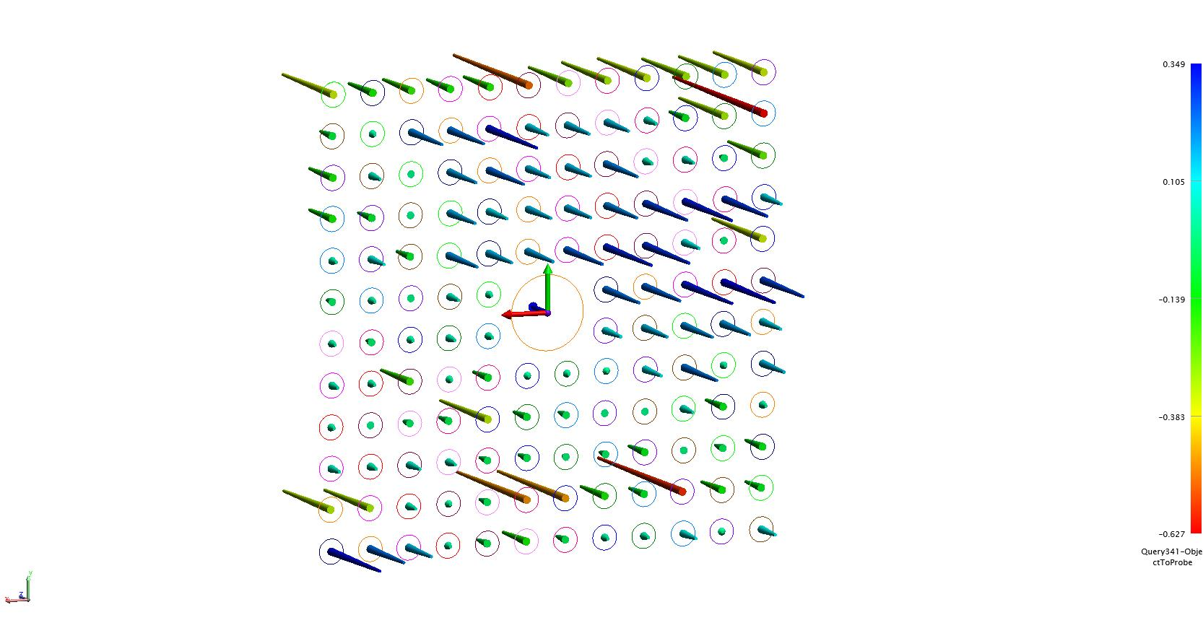
R3_12 | -114.64 | 73.63 | 0.24 | 20.84 | 0.23 |  | R12_3 | 73.16 | -114.73 | -0.16 | 20.76 | -0.02
R4_1 | 115.08 | 52.78 | 0.16 |  | 0.25 | 52.53 | R1_4 | 52.65 | 115.22 | 0.16 |  | 0.33 | 52.32
R4_2 | 94.11 | 52.26 | 0.09 | 20.97 | -0.27 |  | R2_4 | 52.44 | 94.40 | -0.23 | 20.82 | 0.12
R4_3 | 73.49 | 52.65 | 0.00 | 20.62 | 0.11 |  | R3_4 | 52.59 | 73.39 | -0.18 | 21.01 | 0.26
R4_4 | 52.35 | 52.67 | -0.17 | 21.14 | 0.13 |  | R4_4 | 52.35 | 52.67 | -0.17 | 20.72 | 0.02
R4_5 | 31.48 | 52.50 | -0.12 | 20.87 | -0.04 |  | R5_4 | 52.80 | 31.36 | -0.19 | 21.31 | 0.48
R4_6 | 10.59 | 52.66 | -0.16 | 20.89 | 0.12 |  | R6_4 | 52.11 | 10.59 | -0.06 | 20.76 | -0.22
R4_7 | -10.28 | 52.14 | -0.16 | 20.87 | -0.40 |  | R7_4 | 52.48 | -10.24 | -0.04 | 20.83 | 0.16
R4_8 | -31.25 | 52.45 | -0.21 | 20.97 | -0.09 |  | R8_4 | 52.14 | -31.05 | -0.02 | 20.81 | -0.19
R4_9 | -52.06 | 52.55 | -0.29 | 20.81 | 0.02 |  | R9_4 | 52.23 | -52.02 | 0.06 | 20.97 | -0.09
R4_10 | -73.10 | 52.41 | -0.32 | 21.04 | -0.13 |  | R10_4 | 52.11 | -72.71 | -0.05 | 20.69 | -0.21
R4_11 | -94.32 | 52.63 | -0.29 | 21.22 | 0.09 |  | R11_4 | 51.91 | -93.76 | -0.01 | 21.05 | -0.41
R4_12 | -115.02 | 52.72 | -0.12 | 20.70 | 0.19 |  | R12_4 | 52.07 | -114.79 | -0.02 | 21.03 | -0.25
R5_1 | 115.18 | 31.75 | -0.03 |  | 0.21 | 31.54 | R1_5 | 31.33 | 115.09 | 0.18 |  | -0.09 | 31.42
R5_2 | 94.33 | 31.53 | -0.09 | 20.85 | -0.01 |  | R2_5 | 31.98 | 94.25 | -0.33 | 20.84 | 0.56
R5_3 | 73.36 | 31.77 | 0.09 | 20.96 | 0.23 |  | R3_5 | 31.64 | 73.26 | -0.24 | 20.99 | 0.22
R5_4 | 52.80 | 31.36 | -0.19 | 20.56 | -0.18 |  | R4_5 | 31.48 | 52.50 | -0.12 | 20.77 | 0.05
R5_5 | 31.58 | 31.43 | -0.16 | 21.22 | -0.11 |  | R5_5 | 31.58 | 31.43 | -0.16 | 21.07 | 0.16
R5_6 | 10.71 | 31.35 | -0.17 | 20.87 | -0.19 |  | R6_5 | 31.37 | 10.70 | -0.02 | 20.72 | -0.06
R5_7 | -10.10 | 31.16 | -0.25 | 20.80 | -0.37 |  | R7_5 | 31.44 | -10.22 | -0.03 | 20.92 | 0.02
R5_8 | -31.22 | 31.53 | -0.31 | 21.12 | -0.01 |  | R8_5 | 31.35 | -31.22 | 0.10 | 21.00 | -0.08
R5_9 | -52.15 | 31.30 | -0.30 | 20.93 | -0.23 |  | R9_5 | 31.29 | -52.28 | 0.33 | 21.06 | -0.13
R5_10 | -72.95 | 31.81 | -0.10 | 20.81 | 0.27 |  | R10_5 | 31.28 | -72.96 | 0.05 | 20.68 | -0.15
R5_11 | -93.96 | 31.81 | 0.02 | 21.01 | 0.27 |  | R11_5 | 31.24 | -93.99 | 0.05 | 21.03 | -0.19
R5_12 | -114.70 | 31.66 | 0.35 | 20.74 | 0.12 |  | R12_5 | 31.13 | -114.80 | 0.07 | 20.81 | -0.30
R6_1 | 114.85 | 10.94 | 0.04 |  | 0.24 | 10.69 | R1_6 | 10.78 | 115.03 | 0.52 |  | 0.29 | 10.49
R6_2 | 93.94 | 10.71 | -0.03 | 20.90 | 0.02 |  | R2_6 | 10.80 | 94.05 | -0.13 | 20.98 | 0.30
R6_3 | 72.97 | 10.83 | 0.01 | 20.97 | 0.13 |  | R3_6 | 10.77 | 73.02 | -0.15 | 21.03 | 0.28
R6_4 | 52.11 | 10.59 | -0.06 | 20.86 | -0.10 |  | R4_6 | 10.59 | 52.66 | -0.16 | 20.37 | 0.10
R6_5 | 31.37 | 10.70 | -0.02 | 20.74 | 0.01 |  | R5_6 | 10.71 | 31.35 | -0.17 | 21.31 | 0.22
R6_8 | -31.14 | 10.21 | -0.23 | 62.50 | -0.48 |  | R8_6 | 10.41 | -31.26 | -0.01 | 62.61 | -0.08
R6_9 | -51.95 | 10.66 | -0.24 | 20.81 | -0.04 |  | R9_6 | 10.39 | -52.07 | 0.09 | 20.81 | -0.10
R6_10 | -73.25 | 10.69 | -0.33 | 21.30 | 0.00 |  | R10_6 | 10.20 | -72.70 | 0.06 | 20.63 | -0.29
R6_11 | -94.10 | 10.85 | -0.35 | 20.85 | 0.15 |  | R11_6 | 10.09 | -93.87 | 0.48 | 21.17 | -0.40
R6_12 | -115.02 | 10.76 | -0.28 | 20.92 | 0.06 |  | R12_6 | 10.18 | -114.78 | 0.16 | 20.91 | -0.31
R7_1 | 115.02 | -10.00 | -0.03 |  | 0.18 | -10.17 | R1_7 | -10.32 | 115.17 | 0.27 |  | 0.05 | -10.37
R7_2 | 93.73 | -10.40 | 0.03 | 21.30 | -0.22 |  | R2_7 | -9.88 | 94.01 | -0.15 | 21.16 | 0.49
R7_3 | 73.09 | -10.07 | -0.02 | 20.64 | 0.11 |  | R3_7 | -10.38 | 72.88 | -0.16 | 21.13 | -0.01
R7_4 | 52.48 | -10.24 | -0.04 | 20.60 | -0.07 |  | R4_7 | -10.28 | 52.14 | -0.16 | 20.75 | 0.09
R7_5 | 31.44 | -10.22 | -0.03 | 21.04 | -0.04 |  | R5_7 | -10.10 | 31.16 | -0.25 | 20.98 | 0.28
R7_8 | -31.04 | -10.45 | -0.11 | 62.49 | -0.28 |  | R8_7 | -10.60 | -31.13 | -0.02 | 62.30 | -0.22
R7_9 | -51.90 | -10.08 | -0.16 | 20.85 | 0.09 |  | R9_7 | -10.54 | -52.10 | 0.05 | 20.97 | -0.17
R7_10 | -73.04 | -10.08 | -0.20 | 21.14 | 0.10 |  | R10_7 | -10.49 | -73.15 | 0.02 | 21.05 | -0.12
R7_11 | -93.70 | -10.11 | -0.19 | 20.66 | 0.06 |  | R11_7 | -10.55 | -94.04 | 0.47 | 20.89 | -0.18
R7_12 | -114.97 | -10.10 | -0.12 | 21.27 | 0.08 |  | R12_7 | -10.58 | -114.87 | 0.06 | 20.83 | -0.21
R8_1 | 114.69 | -31.14 | -0.04 |  | -0.03 | -31.10 | R1_8 | -31.25 | 115.37 | 0.32 |  | 0.01 | -31.26
R8_2 | 93.89 | -31.15 | -0.03 | 20.79 | -0.04 |  | R2_8 | -31.12 | 94.41 | -0.15 | 20.97 | 0.14
R8_3 | 73.01 | -31.14 | 0.20 | 20.89 | -0.04 |  | R3_8 | -30.81 | 73.45 | -0.21 | 20.96 | 0.45
R8_4 | 52.14 | -31.05 | -0.02 | 20.87 | 0.05 |  | R4_8 | -31.25 | 52.45 | -0.21 | 21.01 | 0.02
R8_5 | 31.35 | -31.22 | 0.10 | 20.79 | -0.11 |  | R5_8 | -31.22 | 31.53 | -0.31 | 20.92 | 0.05
R8_6 | 10.41 | -31.26 | -0.01 | 20.94 | -0.15 |  | R6_8 | -31.14 | 10.21 | -0.23 | 21.32 | 0.13
R8_7 | -10.60 | -31.13 | -0.02 | 21.00 | -0.03 |  | R7_8 | -31.04 | -10.45 | -0.11 | 20.67 | 0.22
R8_8 | -31.66 | -30.87 | -0.01 | 21.06 | 0.23 |  | R8_8 | -31.66 | -30.87 | -0.01 | 20.42 | -0.39
R8_9 | -52.48 | -31.07 | -0.11 | 20.83 | 0.03 |  | R9_8 | -31.04 | -52.09 | 0.01 | 21.22 | 0.22
R8_10 | -73.28 | -31.10 | -0.23 | 20.80 | 0.00 |  | R10_8 | -31.70 | -72.87 | 0.04 | 20.78 | -0.44
R8_11 | -94.18 | -30.96 | -0.02 | 20.90 | 0.14 |  | R11_8 | -31.42 | -93.87 | 0.16 | 21.00 | -0.16
R8_12 | -115.17 | -31.14 | -0.15 | 20.99 | -0.04 |  | R12_8 | -31.50 | -114.72 | -0.02 | 20.85 | -0.24
R9_1 | 114.96 | -52.19 | -0.02 |  | -0.10 | -52.09 | R1_9 | -52.19 | 115.66 | 0.34 |  | 0.05 | -52.24
R9_2 | 93.94 | -52.15 | 0.00 | 21.03 | -0.06 |  | R2_9 | -52.36 | 94.46 | -0.06 | 21.20 | -0.13
R9_3 | 72.96 | -52.30 | 0.04 | 20.98 | -0.21 |  | R3_9 | -51.89 | 73.82 | -0.04 | 20.65 | 0.35
R9_4 | 52.23 | -52.02 | 0.06 | 20.73 | 0.07 |  | R4_9 | -52.06 | 52.55 | -0.29 | 21.27 | 0.18
R9_5 | 31.29 | -52.28 | 0.33 | 20.94 | -0.19 |  | R5_9 | -52.15 | 31.30 | -0.30 | 21.25 | 0.09
R9_6 | 10.39 | -52.07 | 0.09 | 20.91 | 0.02 |  | R6_9 | -51.95 | 10.66 | -0.24 | 20.64 | 0.29
R9_7 | -10.54 | -52.10 | 0.05 | 20.93 | -0.01 |  | R7_9 | -51.90 | -10.08 | -0.16 | 20.74 | 0.34
R9_8 | -31.04 | -52.09 | 0.01 | 20.50 | 0.01 |  | R8_9 | -52.48 | -31.07 | -0.11 | 20.99 | -0.25
R9_9 | -52.44 | -52.32 | 0.00 | 21.40 | -0.23 |  | R9_9 | -52.44 | -52.32 | 0.00 | 21.25 | -0.21
R9_10 | -72.99 | -51.85 | -0.07 | 20.55 | 0.24 |  | R10_9 | -52.61 | -72.86 | 0.11 | 20.54 | -0.38
R9_11 | -94.24 | -51.89 | 0.12 | 21.25 | 0.20 |  | R11_9 | -52.47 | -93.92 | 0.10 | 21.07 | -0.24
R9_12 | -115.20 | -51.84 | -0.03 | 20.96 | 0.25 |  | R12_9 | -52.34 | -114.92 | -0.03 | 21.00 | -0.10
R10_1 | 114.74 | -73.02 | -0.06 |  | -0.09 | -72.93 | R1_10 | -73.11 | 115.53 | 0.30 |  | 0.00 | -73.10
R10_2 | 93.82 | -72.99 | -0.04 | 20.92 | -0.07 |  | R2_10 | -72.94 | 94.55 | 0.11 | 20.98 | 0.16
R10_3 | 72.95 | -73.12 | -0.07 | 20.88 | -0.20 |  | R3_10 | -72.86 | 73.60 | -0.06 | 20.95 | 0.24
R10_4 | 52.11 | -72.71 | -0.05 | 20.83 | 0.22 |  | R4_10 | -73.10 | 52.41 | -0.32 | 21.19 | 0.01
R10_5 | 31.28 | -72.96 | 0.05 | 20.83 | -0.03 |  | R5_10 | -72.95 | 31.81 | -0.10 | 20.60 | 0.15
R10_6 | 10.20 | -72.70 | 0.06 | 21.08 | 0.23 |  | R6_10 | -73.25 | 10.69 | -0.33 | 21.12 | -0.15
R10_7 | -10.49 | -73.15 | 0.02 | 20.69 | -0.22 |  | R7_10 | -73.04 | -10.08 | -0.20 | 20.77 | 0.07
R10_8 | -31.70 | -72.87 | 0.04 | 21.21 | 0.06 |  | R8_10 | -73.28 | -31.10 | -0.23 | 21.03 | -0.18
R10_9 | -52.61 | -72.86 | 0.11 | 20.91 | 0.07 |  | R9_10 | -72.99 | -51.85 | -0.07 | 20.74 | 0.11
R10_10 | -73.42 | -72.86 | 0.02 | 20.80 | 0.06 |  | R10_10 | -73.42 | -72.86 | 0.02 | 21.02 | -0.31
R10_11 | -94.29 | -72.78 | 0.05 | 20.87 | 0.15 |  | R11_10 | -72.96 | -93.75 | 0.58 | 20.89 | 0.14
R10_12 | -115.40 | -73.10 | 0.12 | 21.11 | -0.17 |  | R12_10 | -73.35 | -114.73 | -0.09 | 20.98 | -0.25
R11_1 | 114.75 | -93.73 | 0.32 |  | 0.15 | -93.87 | R1_11 | -93.71 | 115.34 | 0.31 |  | 0.30 | -94.01
R11_2 | 93.80 | -93.97 | 0.31 | 20.96 | -0.10 |  | R2_11 | -93.78 | 94.50 | 0.31 | 20.84 | 0.23
R11_3 | 73.14 | -93.98 | -0.05 | 20.66 | -0.10 |  | R3_11 | -93.80 | 73.39 | 0.03 | 21.11 | 0.21
R11_4 | 51.91 | -93.76 | -0.01 | 21.23 | 0.12 |  | R4_11 | -94.32 | 52.63 | -0.29 | 20.77 | -0.31
R11_5 | 31.24 | -93.99 | 0.05 | 20.67 | -0.12 |  | R5_11 | -93.96 | 31.81 | 0.02 | 20.82 | 0.05
R11_6 | 10.09 | -93.87 | 0.48 | 21.14 | 0.00 |  | R6_11 | -94.10 | 10.85 | -0.35 | 20.96 | -0.08
R11_7 | -10.55 | -94.04 | 0.47 | 20.64 | -0.17 |  | R7_11 | -93.70 | -10.11 | -0.19 | 20.96 | 0.31
R11_8 | -31.42 | -93.87 | 0.16 | 20.88 | 0.00 |  | R8_11 | -94.18 | -30.96 | -0.02 | 20.85 | -0.17
R11_9 | -52.47 | -93.92 | 0.10 | 21.05 | -0.05 |  | R9_11 | -94.24 | -51.89 | 0.12 | 20.93 | -0.23
R11_10 | -72.96 | -93.75 | 0.58 | 20.49 | 0.12 |  | R10_11 | -94.29 | -72.78 | 0.05 | 20.89 | -0.28
R11_11 | -94.10 | -93.86 | 0.14 | 21.14 | 0.01 |  | R11_11 | -94.10 | -93.86 | 0.14 | 21.08 | -0.09
R11_12 | -114.94 | -93.74 | 0.11 | 20.84 | 0.13 |  | R12_11 | -93.96 | -114.73 | -0.01 | 20.87 | 0.06
R12_1 | 114.47 | -114.73 | -0.34 |  | 0.01 | -114.74 | R1_12 | -114.54 | 115.58 | 0.35 |  | 0.42 | -114.96
R12_2 | 93.61 | -114.48 | -0.24 | 20.86 | 0.27 |  | R2_12 | -114.79 | 94.77 | 0.63 | 20.81 | 0.16
R12_3 | 73.16 | -114.73 | -0.16 | 20.45 | 0.01 |  | R3_12 | -114.64 | 73.63 | 0.24 | 21.14 | 0.32
R12_4 | 52.07 | -114.79 | -0.02 | 21.09 | -0.04 |  | R4_12 | -115.02 | 52.72 | -0.12 | 20.91 | -0.06
R12_5 | 31.13 | -114.80 | 0.07 | 20.94 | -0.06 |  | R5_12 | -114.70 | 31.66 | 0.35 | 21.06 | 0.26
R12_6 | 10.18 | -114.78 | 0.16 | 20.95 | -0.03 |  | R6_12 | -115.02 | 10.76 | -0.28 | 20.90 | -0.06
R12_7 | -10.58 | -114.87 | 0.06 | 20.76 | -0.12 |  | R7_12 | -114.97 | -10.10 | -0.12 | 20.85 | -0.01
R12_8 | -31.50 | -114.72 | -0.02 | 20.92 | 0.02 |  | R8_12 | -115.17 | -31.14 | -0.15 | 21.05 | -0.21
R12_9 | -52.34 | -114.92 | -0.03 | 20.84 | -0.18 |  | R9_12 | -115.20 | -51.84 | -0.03 | 20.70 | -0.24
R12_10 | -73.35 | -114.73 | -0.09 | 21.02 | 0.01 |  | R10_12 | -115.40 | -73.10 | 0.12 | 21.26 | -0.44
R12_11 | -93.96 | -114.73 | -0.01 | 20.60 | 0.01 |  | R11_12 | -114.94 | -93.74 | 0.11 | 20.64 | 0.02
R12_12 | -115.10 | -114.65 | -0.10 | 21.14 | 0.10 |  | R12_12 | -115.10 | -114.65 | -0.10 | 20.91 | -0.14

Aluminum Bore | 0.00 | 0.00 | 0.00

Cu Backplane Cooler
 | X | Y | Z | RX | RY | RZ
TOP |  | 139.34 |  | -0.0199 |  | 0.0726
BL | 138.60 |  |  |  | 0.1027 | -0.0938
BR | -138.33 |  |  |  | -0.0613 | -0.1273
US |  |  | -0.64 | -0.1167 | -0.1311
DS |  |  | 201.97 | 0.0714 | 0.1408

